Table 1
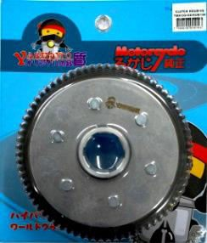
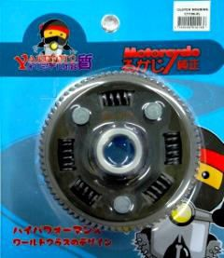
CLUTCH HOUSING |  |  |  |  |  | 70

#70CH1 |  | #70CH2 | #70CH3
CLUTCH HOUSING |  | CLUTCH HOUSING | CLUTCH HOUSING
FOR: TMX 155 700 |  | FOR: TMX/CG125/ 700 | FOR: CT100 | 840
70T |  | RUSI125/RUSI150 73T
170000000996 |  | 170000000414 | 170000000413
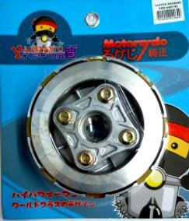
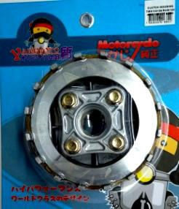
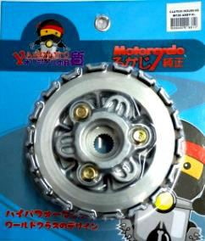
CLUTCH HOUSING ASSY |  |  |  |  |  | 71
 |  |  |  |  |  | 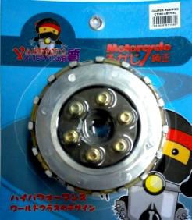
#71CHA1 |  | #71CHA2 | #71CHA3 |  | #71CHA4
CLUTCH HOUSING ASSY |  | CLUTCH HOUSING ASSY | CLUTCH HOUSING ASSY |  | CLUTCH HOUSING ASSY
FOR: XRM 1508 |  | FOR: TMX/RUSI125/ 1170 | FOR: W125 | 1690 | FOR: CT100 1690
 |  | RUSI150 73T
180000002264 |  | 180000001880 | 180000001881 |  | 180000002168
 | 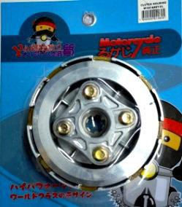
#71CHA5 CLUTCH HOUSING ASSY FOR: W100 1508 180000002262

#71CHA7 CLUTCH HOUSING ASSY FOR: TMX/RUSI 73T 6HOLE 180000003444 1700
 | 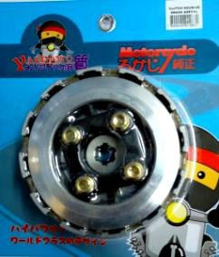
#71CHA6 CLUTCH HOUSING ASSY FOR: SMASH 1960 180000002263

Table 2
PULLY ASSY 72

#72PA1 |  | #72PA2 | #72PA3 | #72PA4
PULLY ASSY |  | PULLY ASSY | PULLY ASSY | PULLY ASSY
FOR: GY6 125 710 |  | FOR: SUZUKI 840 | FOR: MIO 580 | FOR: SKYDRIVE 740
170000000396 |  | 170000000147 | 170000000395 | 180000002950
 | 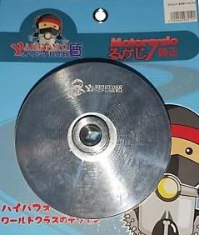
#72PA8 PULLY ASSY FOR: CLICK 220000008212 900
 | 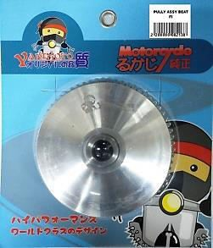
#72PA7 PULLY ASSY FOR: BEAT Fi 220000008213 1000
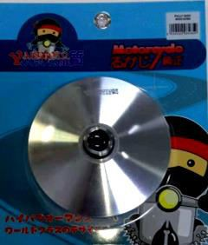
#72PA5 PULLY ASSY FOR: MIOi125/M3 200000006465 900

#72PA6 PULLY ASSY FOR: BEAT
920000005609 970

#72PA9 PULLY ASSY FOR: BEAT Fi (L) |  | #72PA10 PULLY ASSY FOR: MIO MXi 125
920000005728 |  | 920000005945 990
DRAIN PLUG |  |  |  |  | 73

#73DP1 |  | #73DP2
DRAIN PLUG |  | DRAIN PLUG
FOR: MIO 77 |  | FOR: W125 14
170000000430 |  | 180000003177
FORK OIL SEAL SET |  |  |  |  | 74

#74FOSS1 |  | #74FOSS2 | #74FOSS3 | #74FOSS4
FORK OIL SEAL SET |  | FORK OIL SEAL SET | FORK OIL SEAL SET | FORK OIL SEAL SET
FOR: XRM |  | FOR: TMX | FOR: CT100 | FOR:BARAKO
26*37*10.5 |  | 31*41*10 | 30*42*10.5 | 30*40.5*10.5
PLASTIC 14*9 |  | PLASTIC 14*9 | PLASTIC 14*9 | PLASTIC 14*9
180000002374 27 |  | 180000002376 25 | 180000002375 30 | 180000002377 30

Table 5
# 78NLS6 NEUTRAL LIGHT SWITCH FOR:BAJAJ 100 180000001766

# 78NLS7 NEUTRAL LIGHT S ITCH FOR:BARAKO 00 180000001767

# 78NLS8 NEUTRAL LIGHT SWITCH FOR:STX 100 180000002587

# 78NLS5 NEUTRAL LIGHT SWITCH FOR:CRYPTON 170 170000000758

# 78NLS9 NEUTRAL LIGHT SWITCH FOR: W100 170000001005 160 | # 78NLS10 NEUTRAL LIGHT SWITCH FOR: RUSI125 136 180000003417 |  | # 78NLS11 NEUTRAL LIGHT SWITCH FOR: C100 210000007124 160
VINDEX DRIVE ASSY |  |  |  |  | 79

# 79VDA1 | # 79VDA2 |  | # 79VDA3 |  | # 79VDA4
VINDEX DRIVE ASSY | VINDEX DRIVE ASSY |  | VINDEX DRIVE ASSY |  | VINDEX DRIVE ASSY
FOR:MIO 5LW 960 | FOR:R150 1264 |  | FOR:RUSI125 720 |  | FOR:CG125
170000000144 | 190000005567 |  | 180000003750
 |  |  |  |  | 920000005608

# 79VDA5 | # 79VDA6
VINDEX DRIVE ASSY | VINDEX DRIVE ASSY
 | FOR:GY6 763.64
FOR:MIO125/M3
 | 220000008540
920000005828 1098.21
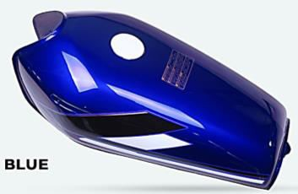
GAS TANK |  |  |  |  |  | 80
 | 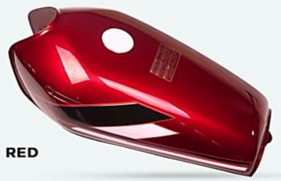 |  | 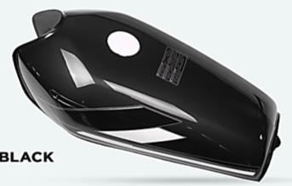 |  | 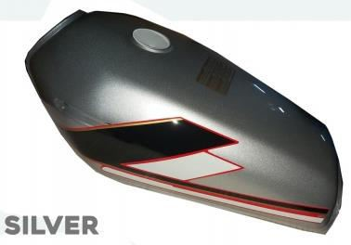
# 80GT1 | # 80GT2 |  | # 80GT3 |  | # 80GT4
GAS TANK | GAS TANK |  | GAS TANK |  | GAS TANK
TMX125/RUSI/ | TMX125/RUSI/ |  | TMX125/RUSI/ |  | TMX125/RUSI/
TC125/150/CG125 | TC125/150/CG125 |  | TC125/150/CG125 |  | TC125/150/CG125
BLUE 1418.20 | RED | 1418.20 | BLACK | 1418.20 | SILVER | 1418.20
210000007258 | 210000007257 |  | 210000007256 |  | 220000008353

Table 6

# 80GT5 GAS TANK CT100/BAJAJ
BLACK 1782
220000008314
FUSE BOX 81

# 81FB1 | # 81FB2
FUSE BOX 17 | FUSE BOX 28
GLASS DOUBLE | FLAT
PLASTIC 14X9 | PLASTIC 14X9
220000008220 | 220000008221
COMPLETE GEAR SET 82

# 82CGS1 | # 82CGS2 | # 82CGS3 | # 82CGS4
COMPLETE GEAR SET | COMPLETE GEAR SET | COMPLETE GEAR SET | COMPLETE GEAR SET
FOR: TMX155 1080 | FOR:CG125 1120 | FOR:CG200 1260 | FOR:CG150 1120
170000000349 | 170000000350 | 170000000347 | 170000000346

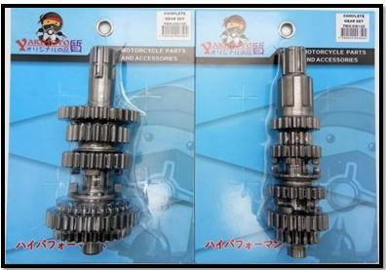
# 82CGS5 COMPLETE GEAR SET FOR:RUSI125 1240 180000003460
PLATE COMP/CLUTCH CAM 83

# 83PCCC1 PLATE COMP/CLUTCH CAM FOR:W125 240 170000000883

Table 7
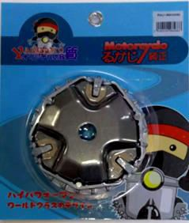
PULLY |  |  |  |  |  | 84

# 84P1 |  | # 84P2 |  | # 84P3 |  | # 84P4
PULLY |  | PULLY |  | PULLY |  | PULLY
FOR:GY6 420 |  | FOR:BEAT | 460 | FOR:MIO | 450 | FOR:MIOi125/M3
170000000145 |  | 170000000146 |  | 190000004023 |  | 200000006466 640
 | 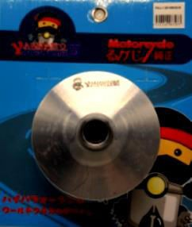
# 84P5 PULLY FOR:SKYDRIVE 210000006723 460 |  | # 84P6 PULLY FOR:CLICK 210000007457 708 |  | # 84P7 PULLY FOR:BEAT Fi 220000008214 564
CHAIN ADJUSTER 85

# 85CA1 CHAIN ADJUSTER FOR:RS100 B/S HOLE 66 180000001532 |  | # 85CA2 CHAIN ADJUSTER FOR:W125/XRM125 104 180000001531 |  | # 85CA3 CHAIN ADJUSTER FOR:XRM/C100 30 180000002232 |  | # 85CA4 CHAIN ADJUSTER FOR:FZ16 124 180000002265

# 85CA7 CHAIN ADJUSTER FOR:RUSI125/TMX 41 180000002268

# 85CA8 CHAIN ADJUSTER FOR:HD3 41 180000002270

# 85CA5 CHAIN ADJUSTER FOR:WAVE/DASH/W110 180000002266 41

# 85CA6 CHAIN ADJUSTER FOR:CB100/CB110 116 180000002267

# 85CA9 CHAIN ADJUSTER FOR:FURY NEW 41 180000002270

# 85CA10 CHAIN ADJUSTER FOR:ROUSER135 62 180000002461

# 85CA11 CHAIN ADJUSTER FOR:SHOGUN 100 180000002460

# 85CA12 CHAIN ADJUSTER FOR:SNIPER135 112 180000002459

# 85CA13 CHAIN ADJUSTER FOR:R150 126 180000002462

Table 8
# 85CA15 CHAIN ADJUSTER FOR:GD110 74 180000002458

# 85CA14 CHAIN ADJUSTER FOR:RAIDER J110 41 180000002457

# 85CA16 CHAIN ADJUSTER FOR:LF125 41 190000004455

# 85CA20 CHAIN ADJUSTER FOR:SNIPER 150 170 190000004872

# 85CA19 CHAIN ADJUSTER FOR:XR150 150 190000004871

# 85CA18 CHAIN ADJUSTER FOR:ROUSER 200 110 190000004870

# 85CA17 CHAIN ADJUSTER FOR:CB125 150 190000004869

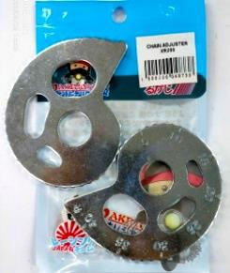
# 85CA21 CHAIN ADJUSTER FOR:WAVE/DASH/W110 180000002266 41

# 85CA22 CHAIN ADJUSTER FOR:XR200 90 190000004873

# 85CA23 CHAIN ADJUSTER FOR:C100/XRM 30 180000002232

# 85CA24 CHAIN ADJUSTER FOR:CT100 36.36 220000008451

# 85CA25 CHAIN ADJUSTER FOR:BARAKO/BC175 220000008452 54.55

# 85CA26 CHAIN ADJUSTER FOR:XRM/C100 SMALL HOLE PER PC 220000008926 15

# 85CA27 CHAIN ADJUSTER FOR:CT100 SMALL HOLE PER PC 220000008927 18.19

# 85CA28 CHAIN ADJUSTER FOR:CT125 230000009692 55.31

Table 10
FRONT HUB 87

# 87FH1 |  | # 87FH2 | # 87FH3 | # 87FH4
FRONT HUB |  | FRONT HUB | FRONT HUB | FRONT HUB
FOR:XRM 495.455 |  | FOR: TMX 1,040.909 | FOR: R150 531.818 | FOR: MIO 560
170000000635 |  | 170000000630 | 180000002245 | 170000000631

# 87FH6 FRONT HUB FOR: SKYDRIVE 586.364 170000000633

# 87FH8 FRONT HUB FOR: HD3 1080 180000002244

# 87FH5 FRONT HUB FOR: BEAT 510 170000000632

# 87FH7 FRONT HUB FOR: SMASH 659.091 170000000634

# 87FH9
FRONT HUB
FOR: LC 150 | 860
190000004240

# 87FH10 FRONT HUB FOR: NMAX 1000 190000004239

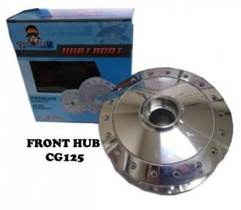
# 87FH11 FRONT HUB FOR: MIO 125 600 190000004332

# 87FH12
FRONT HUB
FOR: CG125 | 768.182
190000005007

Table 11
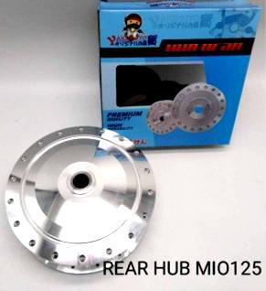
REAR HUB 88

# 88RH1 |  | # 88RH2 | # 88RH3 | # 88RH4
REAR HUB |  | REAR HUB | REAR HUB | REAR HUB
FOR:XRM 677.273 |  | FOR: TMX 1,222.727 | FOR: R150 822.727 | FOR: MIO 950
170000000629 |  | 170000000624 | 180000002247 | 170000000625

# 88RH7 REAR HUB FOR: SMASH 570 170000000628

# 88RH5 REAR HUB FOR: BEAT 931.818 170000000626

# 88RH8
REAR HUB
FOR: DREAM | 659.091
180000002246

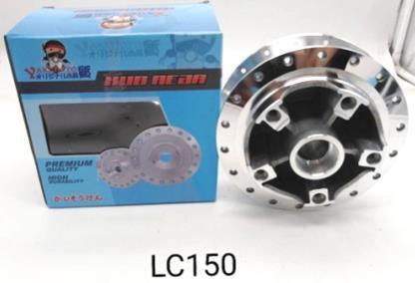
# 88RH6 REAR HUB FOR: SKYDRIVE 1,040.909 170000000627
 |  | 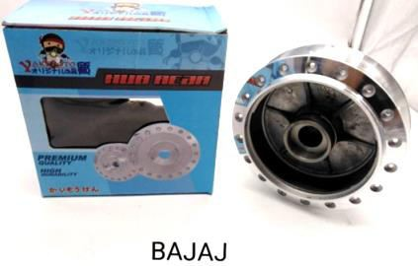 | 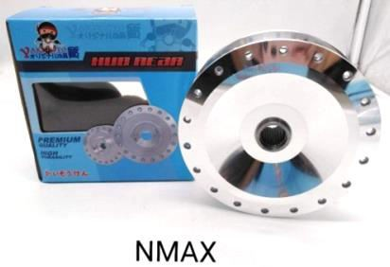
# 88RH9 REAR HUB FOR: LC150 1000 190000004236 |  | # 88RH10 REAR HUB FOR: CT100 1,350 190000004237 | # 88RH11 REAR HUB FOR: NMAX 1300 190000004238 | # 88RH12 REAR HUB FOR: MIO125 900 190000004331
IGNITION SWITCH SET 89

# 89ISS1 IGNITION SWITCH SET FOR: TMX 280 170000000643 |  | # 89ISS2 IGNITION SWITCH SET FOR: RUSI 110 380 170000000651 | # 89ISS3 IGNITION SWITCH SET FOR: W110 272 180000001450 | # 89ISS4 IGNITION SWITCH SET FOR: W100-4 272 180000001448

# 89ISS5 IGNITION SWITCH SET FOR: W100-6 276 180000001449

# 89ISS7 IGNITION SWITCH SET FOR: MIO 454 180000001452

# 89ISS6 IGNITION SWITCH SET FOR: W125 276 180000001451

# 89ISS8 IGNITION SWITCH SET FOR: XRM110 530 180000001648

Table 12
 |  | 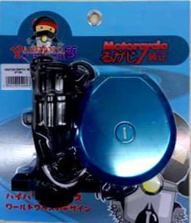
# 89ISS9 IGNITION SWITCH SET FOR: XRM125 550 180000001649 | # 89ISS10 IGNITION SWITCH SET FOR: CT100 704 190000004456
IGNITION SWITCH

# 90IS1 IGNITION SWITCH FOR: RUSI 125 220 170000000650 | # 90IS2 IGNITION SWITCH FOR: W110 212 180000001445 |  |  | # 90IS3 IGNITION SWITCH FOR: W100-4 212 180000001443 | # 90IS4 IGNITION SWITCH FOR: W100-6 216 180000001444

# 90IS7 IGNITION SWITCH FOR: XRM110 270 180000001651

# 90IS5 IGNITION SWITCH FOR: W125 216 180000001446

# 90IS6 IGNITION SWITCH FOR: MIO 350 180000001447

# 90IS8 IGNITION SWITCH FOR: XRM125 290 180000001652

# 90IS9 IGNITION SWITCH FOR: CT100 460 180000003798 | # 90IS10 IGNITION SWITCH FOR: RUSI 110 320 200000005902 |  |  | # 90IS11 IGNITION SWITCH FOR: R150 320.51 230000009691
CLUTCH LEVER |  |  | 91

# 91CL1 | # 91CL2
CLUTCH LEVER LEFT | CLUTCH LEVER RIGHT
FOR: UNIVERSAL 170 | FOR: UNIVERSAL 170
170000000331 | 170000000336

Table 13
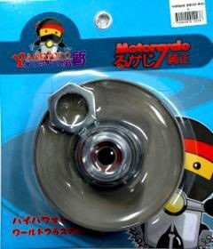
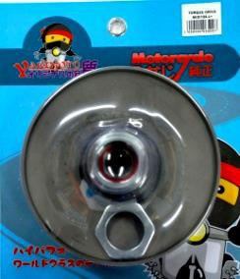
TORQUE DRIVE 92

# 92TD1 TORQUE DRIVE FOR: MIO 700 170000001247 | # 92TD2 TORQUE DRIVE FOR: MIOi125 920 200000006500 | # 92TD3 TORQUE DRIVE FOR: SKYDRIVE 1160 220000007852 | # 92TD4 TORQUE DRIVE FOR: BEAT Fi 1040 220000007853

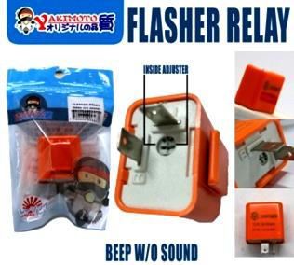
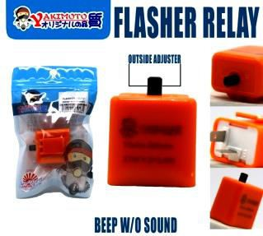
# 92TD5 TORQUE DRIVE FOR: BEAT 910 220000007995 | # 92TD6 TORQUE DRIVE FOR: NMAX 1160 220000007996 | # 92TD7 TORQUE DRIVE FOR: BEAT Fi OLD 900 220000008032
BEEP FLASHER 93

# 93FNE1 FLASHER RELAY (beep w/o sound) INSIDE ADJUSTER ORANGE 170000000687 60 | # 93FNE2 FLASHER RELAY (beep w/o sound) OUTSIDE ADJUSTER ORANGE 210000007038 70
KICK SHAFT SET 94

# 94KSS1 KICK SHAFT SET FOR: GY6 SHORT 670 180000002588
REAR HUB BUSHING 95

# 95RHB1 REAR HUB BUSHING FOR: UNIVERSAL 70 170000000889

Table 14
PISTON KIT 96
 | 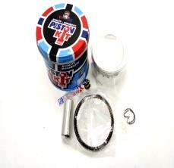
# 96PK1 PISTON KIT 155 FOR: XRM110 50MM +25 170000000937 |  |  | # 96PK2 PISTON KIT FOR: CT100 +50 191 180000002509 | # 96PK3 PISTON KIT FOR: MIO 59MM STD 210 170000000966 | # 96PK4 PISTON KIT 191 FOR: W125 52.4MM +25 170000000965
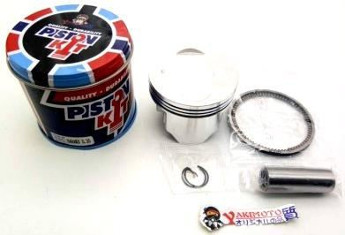
# 96PK5 PISTON KIT 155 FOR: XRM 50MM STD 170000001038

# 96PK6 PISTON KIT 155 FOR: XRM 50MM +50 170000001040

# 96PK7 PISTON KIT 191 FOR: WAVE 52.4MM +50 170000001041

# 96PK8 PISTON KIT 191 FOR: W125 52.4MM STD 170000001074

# 96PK9 PISTON KIT FOR: CG125 STD/RUSI125 STD 170000001044 290

# 96PK10
PISTON KIT
FOR: TMX 0.50 |  | 191
180000001475

# 96PK11 PISTON KIT 200 FOR: W125 57MM STD 180000001670

# 96PK12
PISTON KIT
FOR: STX 0.25 |  | 191
180000001672

# 96PK13 PISTON KIT FOR: STX 0.50 191 180000001672

# 96PK14 PISTON KIT FOR: STX STD 191 180000002115

# 96PK15 PISTON KIT FOR: TMX STD 191 180000002115

# 96PK16 PISTON KIT FOR: TMX 0.25 191 180000002116

Table 15
# 96PK20 PISTON KIT FOR: CT100 STD 191 180000002897

# 96PK19 PISTON KIT FOR: CT100 0.25 191 180000002898

# 96PK18 PISTON KIT
FOR: CG125 0.25/RUSI1250.25
180000002228 191

# 96PK17 PISTON KIT
FOR: CG125 0.50/RUSI125 0.50
180000002223 191

# 96PK21 PISTON KIT FOR: BARAKO 0.25 255 180000003013

# 96PK22 PISTON KIT FOR: BARAKO 0.50 255 180000003012

# 96PK23 PISTON KIT FOR: BARAKO STD 255 180000003011

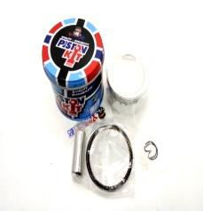
# 96PK24 PISTON KIT FOR: RUSI STD 191 180000003800

# 96PK25 PISTON KIT 200 FOR: XRM 54MM STD 180000002694
NEEDLE BEARING 97

# 97NB1 NEEDLE BEARING FOR: BAJAJ 110 170000001030 | # 97NB2 NEEDLE BEARING FOR: TMX 100 180000001379

